CTF spec-Safety Valve
ITEM | CODE ARTICLE | DESIGNATION | TECHNICAL SPECIFICATION AND PARAMETRS | VALVE PICTURE
1 | 4400403003P | INSIDE BLOWOUT PREVENTIVE ASSEMBLY H2S TRIM 3"1/2 IF | IBOP ASSY H2S TRIM 3"1/2 | 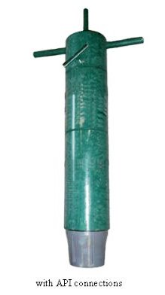
 |  |  | 4"3/4 OD
 |  |  | 2"1/4 ID
 |  |  | NC38 PIN x BOX CONNECTION
 |  |  | overall length 36"
 |  |  | WORKING PRESSURE 10,000 PSI (10K PSI )
 |  |  | TEST PRESSURE 15 000 PSI (15 K PSI)
 |  |  | WITH RELEASING TOOLS AND STEEL PROTECTORS
 |  |  | MANIFACTURED & TESTED ACCORDING TO API SPEC 7-1
 |  |  | DELIVERED WITH DATA BOOKS (INSPECTION CERTIFICATE ?PRESSURE RECORD TEST AND TECHNICAL INSTRUCTION MANUAL ….)

2 | 4400403002D | INSIDE BLOWOUT PREVENTIVE ASSEMBLY H2S TRIM 4"1/2 IF | IBOP ASSY H2S TRIM 4"1/2
 |  |  | 6"1/2 OD (OD DRILL STRING CTF IS 6"1/2)
 |  |  | 2"13/16 ID
 |  |  | NC38 PIN x BOX CONNECTION
 |  |  | overall length 36"
 |  |  | WORKING PRESSURE 10,000 PSI (10K PSI )
 |  |  | TEST PRESSURE 15 000 PSI (15 K PSI)
 |  |  | WITH RELEASING TOOLS AND STEEL PROTECTORS
 |  |  | MANIFACTURED & TESTED ACCORDING TO API SPEC 7-1
 |  |  | DELIVERED WITH DATA BOOKS (INSPECTION CERTIFICATE ?PRESSURE RECORD TEST AND TECHNICAL INSTRUCTION MANUAL ….)

3 | 6641406054K | FULL OPENING SAFETY VALVE (FOSV)ASSEMBLY H2S TRIM 3"1/2 IF | FULL OPENING SAFETY VALVE ASSEMBLY H2S TRIM 3"1/2 IF | 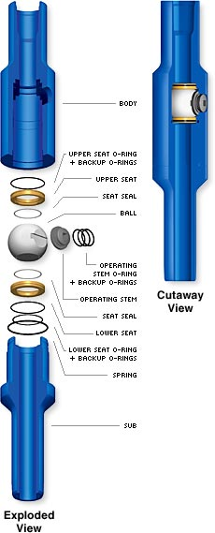
 |  |  | BALL-TYPE SAFETY VALVE
 |  |  | NECK DOWN TO OD DRILL STRING CTF OD 4"3/4
 |  |  | fOR DRILL STRING CTF ID 2"9/16 OR ID 2"11/16
 |  |  | NC38 PIN x BOX CONNECTION
 |  |  | overall length 45"
 |  |  | WORKING PRESSURE 10,000 PSI (10K PSI )
 |  |  | TEST PRESSURE 15 000 PSI (15 K PSI)
 |  |  | WITH STEEL PROTECTOR
 |  |  | MANIFACTURED & TESTED ACCORDING TO API SPEC 7-1
 |  |  | DELIVERED WITH DATA BOOKS (INSPECTION CERTIFICATE ?PRESSURE RECORD TEST AND TECHNICAL INSTRUCTION MANUAL ….)

4 | 6641406055W | FULL OPENING SAFETY VALVE (FOSV)ASSEMBLY H2S TRIM 4"1/2 IF | FULL OPENING SAFETY VALVE ASSEMBLY H2S TRIM 4"1/2 IF
 |  |  | BALL-TYPE SAFETY VALVE
 |  |  | NECK DOWN TO OD DRILL STRING CTF OD 6"1/2
 |  |  | FOR DRILL STRING COMPANY CTF ID 2"9/16 OR OTHER ID 2"11/16
 |  |  | NC50 PIN x BOX CONNECTION
 |  |  | overall length 45"
 |  |  | WORKING PRESSURE 10,000 PSI (10K PSI )
 |  |  | TEST PRESSURE 15 000 PSI (15 K PSI)
 |  |  | WITH STEEL PROTECTOR
 |  |  | MANIFACTURED & TESTED ACCORDING TO API SPEC 7-1
 |  |  | DELIVERED WITH DATA BOOKS (INSPECTION CERTIFICATE ?PRESSURE RECORD TEST AND TECHNICAL INSTRUCTION MANUAL ….)
 |  |  | COMPLETE REPAIR KIT INCLUDES
5 | 6141206050F | KELLY VALVE 4"1/2 IF H2S TRIM ASSEMBLY | ONE- PIECE KELLY VALVE 4"1/2 IF H2S TRIM ASSEMBLY
 |  |  | 6"5/8 OD SLICK
 |  |  | 2"13/16 ID
 |  |  | NC50 PIN x BOX CONNECTION
 |  |  | OVERALL LENGHT 36"
 |  |  | WORKING PRESSURE 10,000 PSI (10K PSI )
 |  |  | TEST PRESSURE 15 000 PSI (15 K PSI)
 |  |  | WITH STEEL PROTECTOR
 |  |  | MANIFACTURED & TESTED ACCORDING TO API SPEC 7-1
 |  |  | DELIVERED WITH DATA BOOKS (INSPECTION CERTIFICATE ?PRESSURE RECORD TEST AND TECHNICAL INSTRUCTION MANUAL ….)

6 | 6141206048H | KELLY VALVE 3"1/2 IF H2S TRIM ASSEMBLY | ONE- PIECE KELLY VALVE ASSEMBLY H2S TRIM 3"1/2 IF
 |  |  | OD 4"3/4 SLICK
 |  |  | 1"3/4 ID
 |  |  | NC38 PIN x BOX CONNECTION
 |  |  | OVERALL LENGHT 36"
 |  |  | WORKING PRESSURE 10,000 PSI (10K PSI )
 |  |  | TEST PRESSURE 15 000 PSI (15 K PSI)
 |  |  | WITH STEEL PROTECTOR
 |  |  | MANIFACTURED & TESTED ACCORDING TO API SPEC 7-1
 |  |  | DELIVERED WITH DATA BOOKS (INSPECTION CERTIFICATE ?PRESSURE RECORD TEST AND TECHNICAL INSTRUCTION MANUAL ….)

